Instructions
Instructions
This is designed to help organisers/arbiters calculate what is required for a title norm.
It is currently set up for 9, 10 or 11 round events.
On the players sheet the information can be entered from the excel output of any pairing program.
It must be pasted in in the order given.
At the end of the list of players an additional one should be added with nr 1000. Blank spaces should be inserted in the other cells across.

After 7 or 8 rounds you can start to use the spreadsheet.
Go to on of the Seeker sheets which can be renamed with an abreviation for the norm seeker.
In cell M1 select from the drop down menu the appropriate norm.
Enter the pin numbers of the opponents. The opponents details should then appear.
Results will need to be added as 1, 0.5 or 0.
The players total score appears in cell G16
The opponents' total rating and adjusted average appears in cells C16 and C17 respectively.
Unrated players will appear as 1000. An adjustment may appear in C15 if a player is below the title threshold rating.

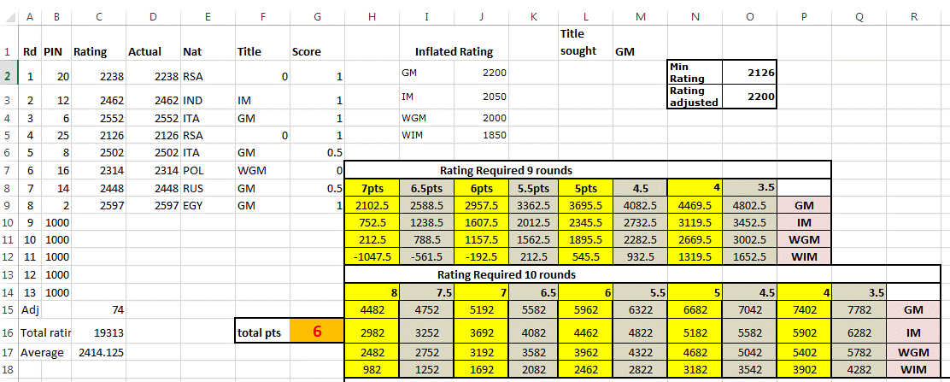

In the above example we can see that the player has scored 6 points and is looking for a GM norm.
In a 9 round tournament he would require to score 6.5 with a 2588.5 opponent or 7 with a 2102.5 opponent.
In a 10 round tournament he would need to score 6.5 against two opponents with a total rating of 5582, 7 points against two opponents with a total rating of 5192, etc

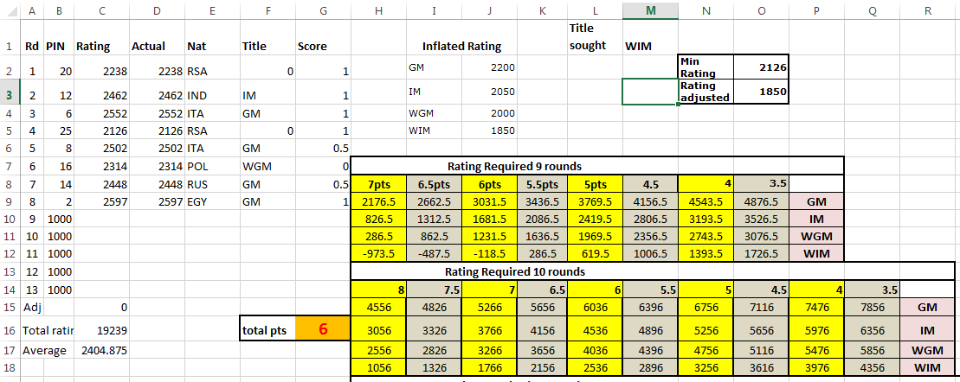

In the above example the player is looking for a WIM norm. She has already scored 6 points.
Cell I12 shows -118.5. This means, as it is negative, that regardless of the opponent she has achieved the norm.
For a WGM norm (in this case no information will change if WGM is entered as the title sought) she would require to play against a 1231.5 rated player for a 9 round norm.
For a 10 round WGM norm she would need to play players totalling 4036. If she gets a draw in either of the next two rounds she needs opposition totalling 4036.
One point in the next two rounds would mean the total of the two opponents would only need to be 3266.

